Task 2
Tests | Design | Actual
Aniket Arun Patil
Main page Test 1 |  | Spelling Mistake
Main page Test 2 |  | Wrong word
Main page Test 3 |  | indicating In-correct font weight.
Main page Test 4 |  | Extra line : Get a guaranteed Internship with our courses. Explore courses
Main page Test 5 | 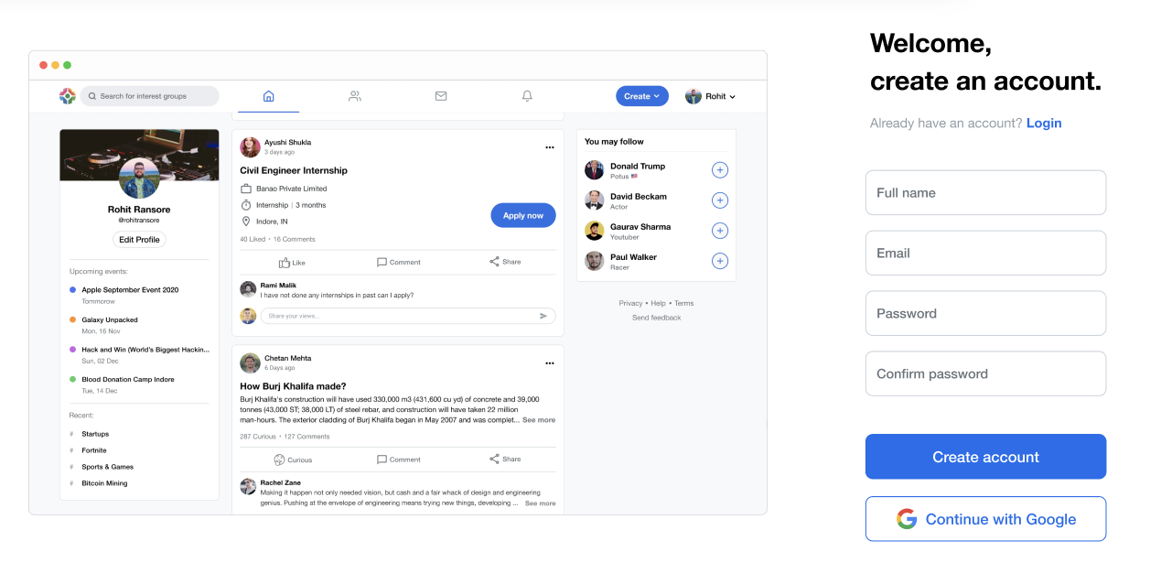 | 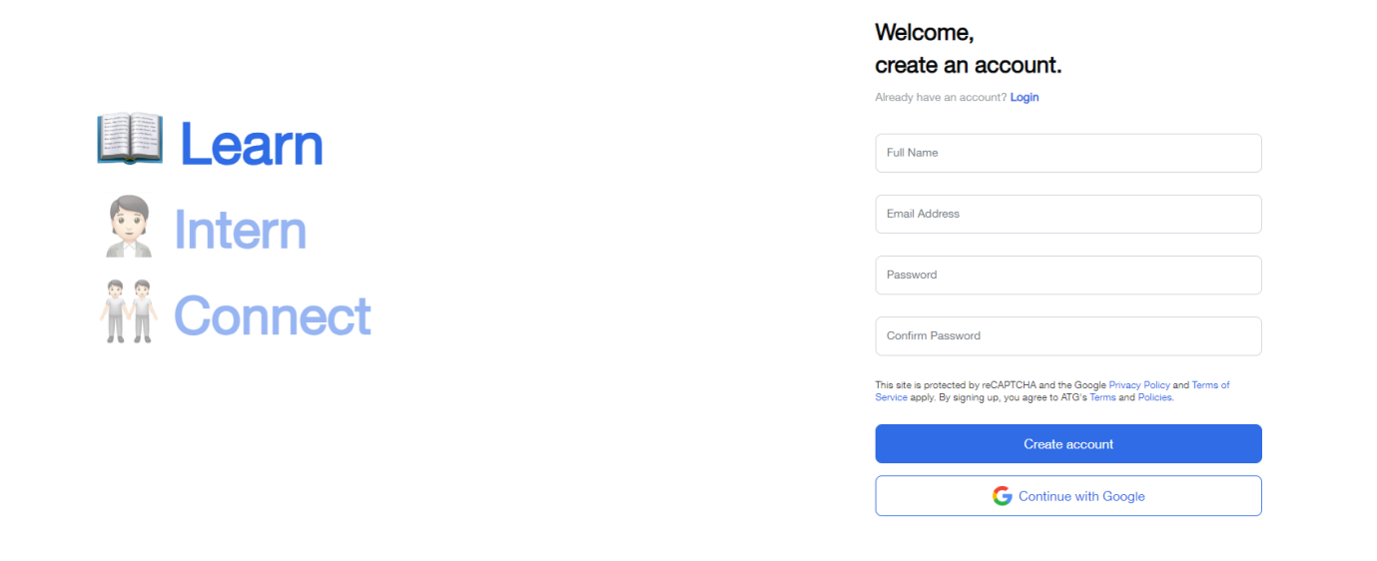 Wrong main Picture
Main page Test 6 | 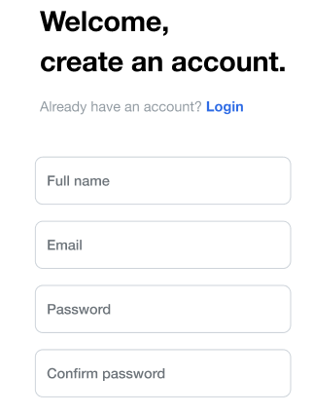 | 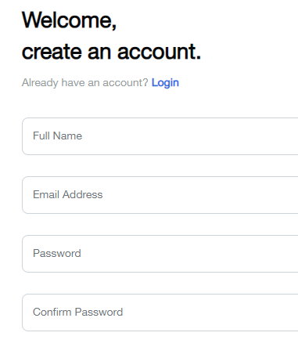 Wrong Font of input field
Main page Test 7 | 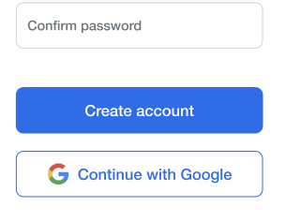 | 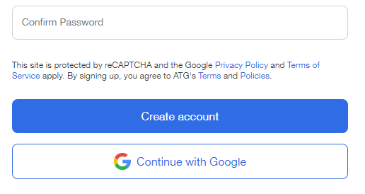 Extra Content : Privacy Policy and Terms of Service apply.
Main page Test 8 |  | 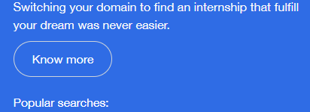 Extra Button: Know more Button
Main page Test 9 | 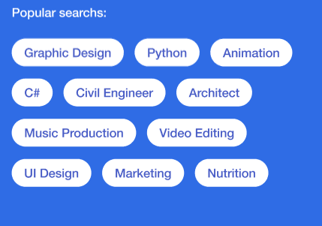 | 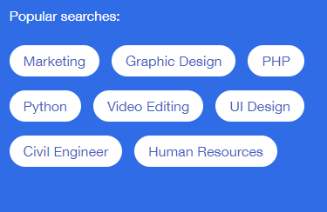 No of Popular serach are less
Main page Test 10 |  | 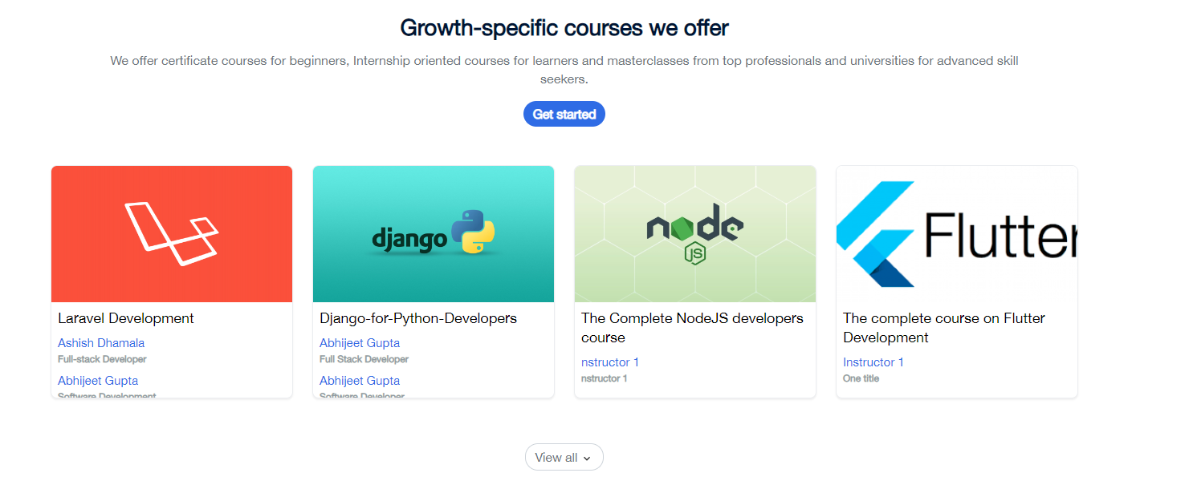 Extra Section
Main page Test 11 |  |  Capital letter of " And "
Main page Test 12 |  | Complete Section Missing
Business Test 13 |  | Spelling Mistake : last line words are mismatched
Business Test 14 | 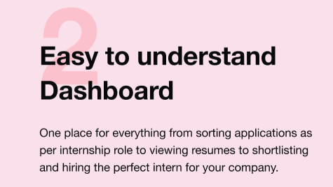 | 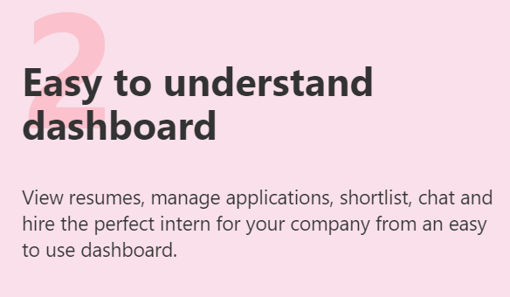 Mismatched Content
Business Test 15 | 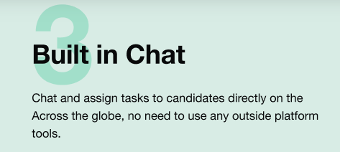 | 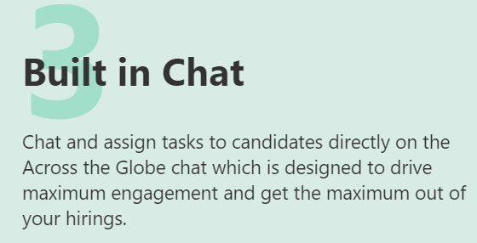 Mismatched Content
Business Test 16 | 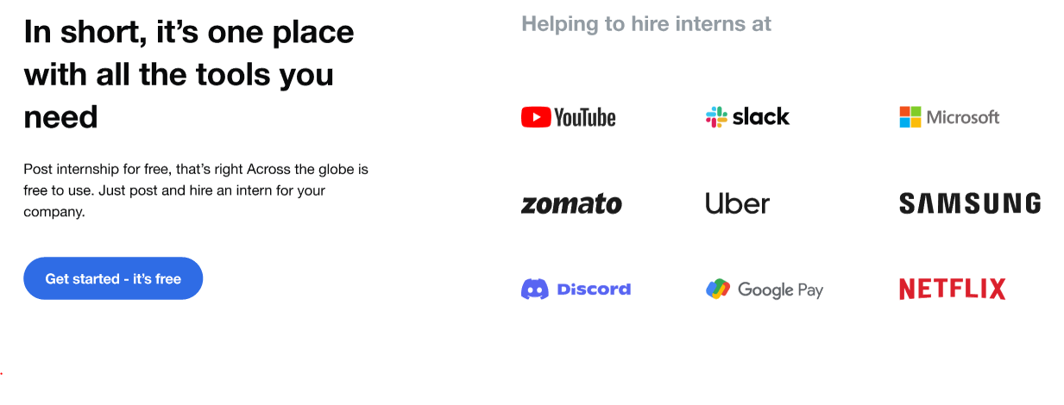 | 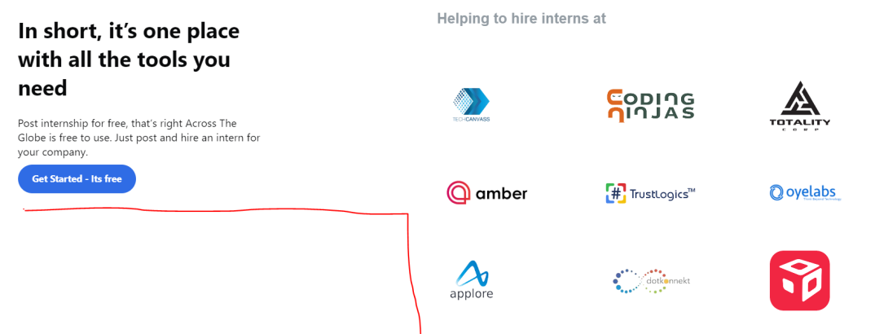 Wrong Alignment
Business Test 17 | 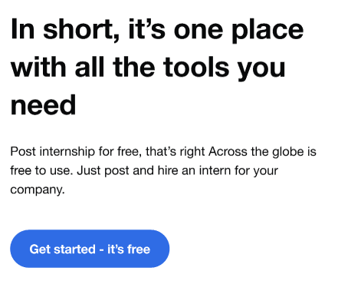 | 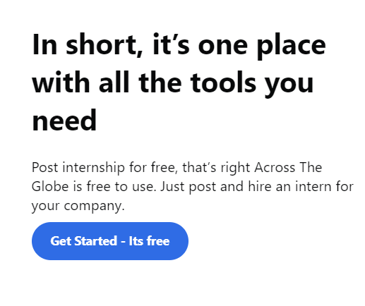 Gap is not present between content and Get started button
Student Test 18 | 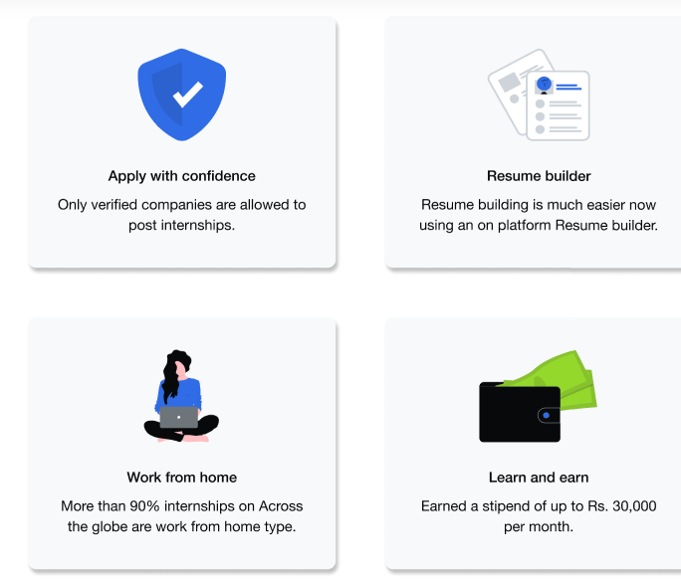 | 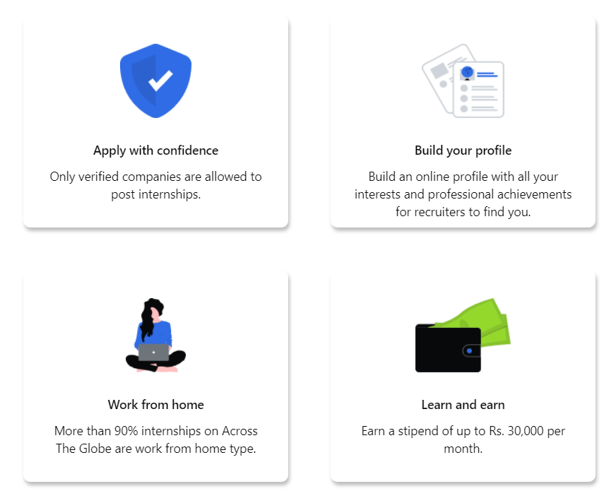 Card Shadow Should be dark
Student Test 19 | 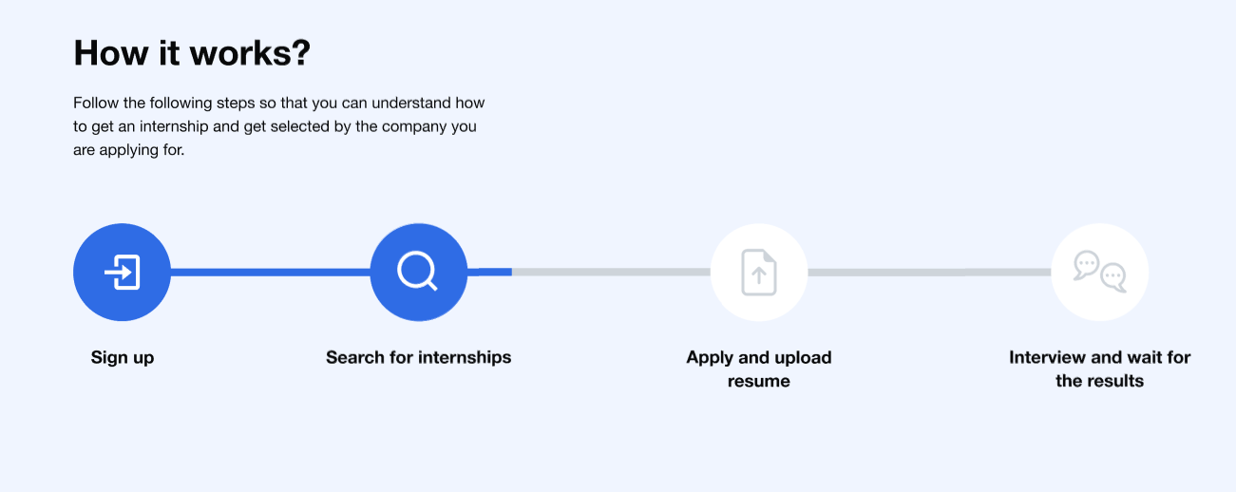 | 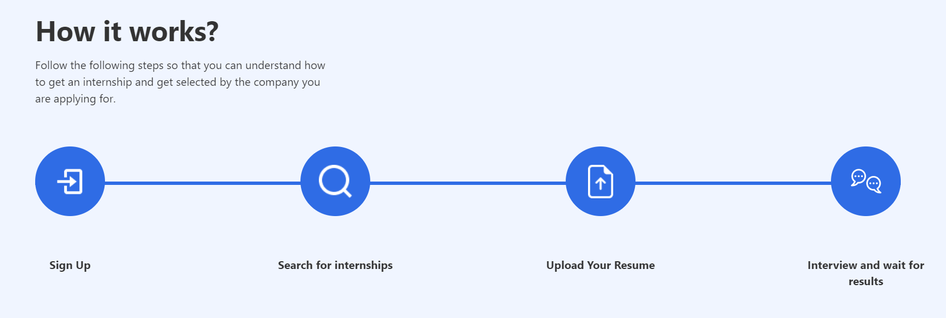
Student Test 20 |  | Content Mismatched
Student Test 21 |  | Input Field Content are mismatched
main Test 22 | 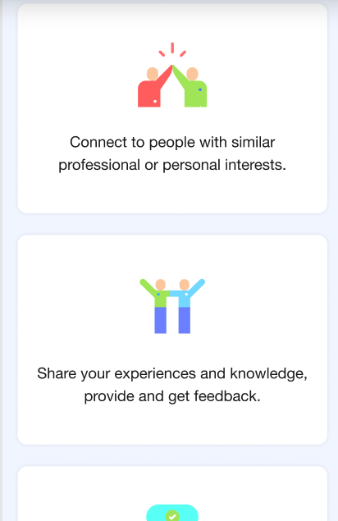 | 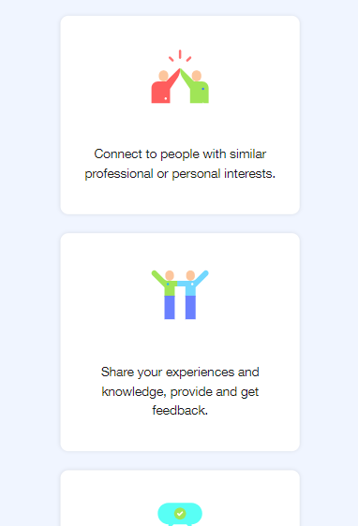 Padding / Margin is not matching
business Test 23 |  | Button Arrow
business Test 24 | 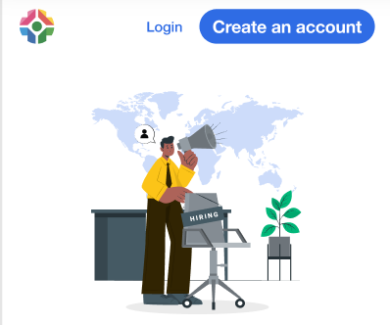 |  Right Corner Button is mismatched
business Test 25 | 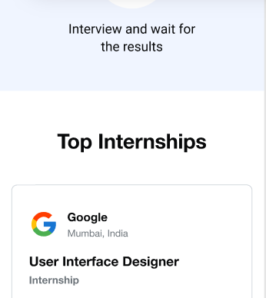 | 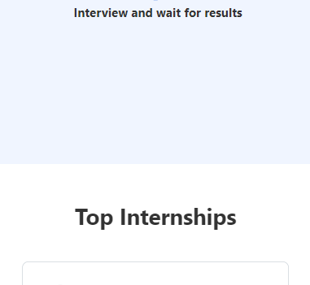 Padding / Margin is not matching ( above the top internship box )

Question 2: Advise any UI / UX improvements in the design, if any
1.On home page this type of section should be added : Showcase victory stories or case thinks about to illustrate the effectiveness or benefits of your products/services..
2.In footer We can Include contact details & links to important pages
3.we can add search bar box on top of the page or within a navigation bar.

